TC001_STG_order3
1] data structure validation

Tc001_STG_Order3 data structure validation

 |  | Source | Target

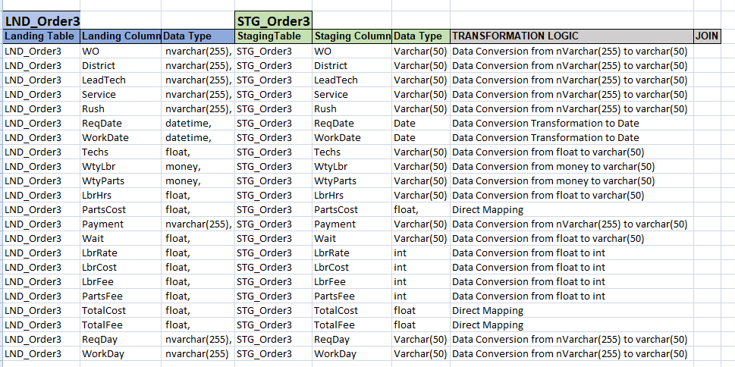
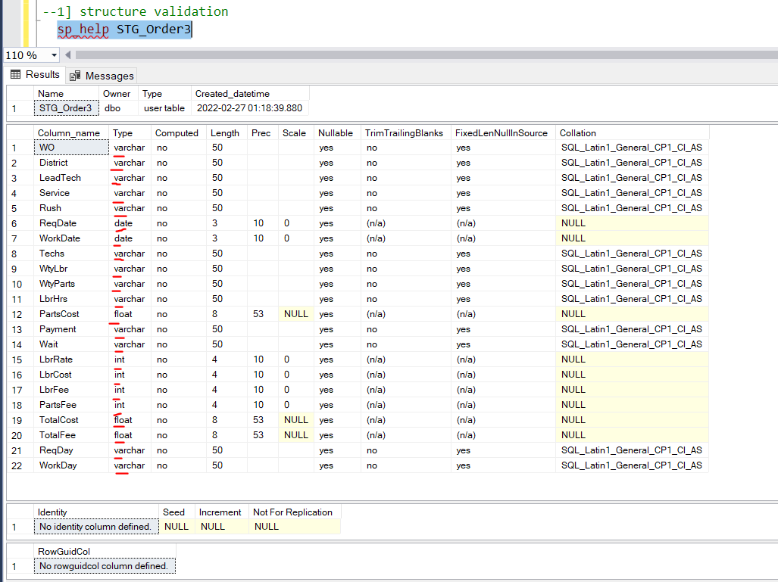

 | Observation:: source table structure and Target table structure exactly same..

TC002_STG_Order3
2] count validation

Tc002_STG_Order3 count validation

 | Source |  | Target

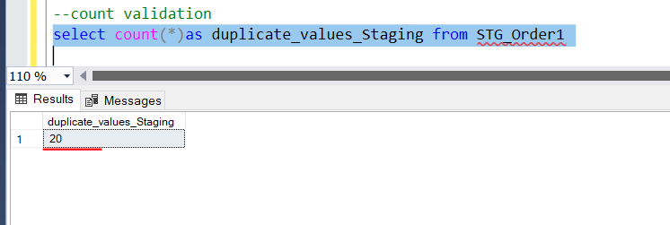

 |  | Observation::LND_Order3 table and STG_Order3 table count exactly same..

